RRC3FlightData
Angular Acceleration vs Time
Time | Altitude | Velocity | Altitude (ft) | Altitude (m) | Vertical Velocity (m/s) | Vertical Acceleration (m/s^2) | Acceleration (m/s^2) | Variables |  | Angle of Antenna (no hill) | Angle of Antenna (with hill) | Angular Speed (θ/s) | Angular Acceleration (θ/s^2) |  |  |  | Yaw - Antenna Moment of Inertia (kg.m^2) | Pitch - Antenna Moment of Inertia (kg.m^2)
0 | 0 | 0 | 0 | 0 |  |  |  | Antenna Distance (m) | 200
0.05 | 2 | 1.640114 | 6 | 1.8287107589 | 1 |  | 1.226457 | Antenna height diff (m) | 10 | 0.52387244313 | -2.338532783 | 10.477448863 | 209.54897725 | Average Speed (1st second) | 27.321364273 |  | 2.72687 | 2.39895
0.1 | 3 | 2.452914 | 8 | 2.4382810119 | 2 | 0.64402467 | 2.0392575 |  |  | 0.69848145243 | -2.1639237737 | 3.492180186 | -139.70537353 | Average Speed (2nd second) | 35.37194463
0.15 | 6 | 5.718629 | 20 | 6.0957025297 | 3 | 0.2152445 | 2.452914 |  |  | 1.745749709 | -1.1166555171 | 20.945365132 | 349.06369892 |  |  |  | Yaw - Max Torque (Nm) | Pitch - Max Torque (Nm)
0.2 | 8 | 7.358742 | 25 | 7.6196281621 | 3 | 0.43023275 | 2.4529155 |  |  | 2.1818074759 | -0.68059775024 | 8.721155337 | -244.4841959 | Average Acceleration (1st second) | 23.679804838 | 0.4132906 rad/s^2 | 16.609908063 | 14.612482057
0.25 | 11 | 10.62446 | 37 | 11.27704968 | 3 | 0.86004675 | 3.265714 |  |  | 3.2272195592 | 0.36481433311 | 20.908241667 | 243.7417266 | Average Acceleration (2nd second) | 24.780256801 | 0.43249707 rad/s^2
0.3 | 15 | 13.89017 | 48 | 14.629686071 | 4 | 0.64615625 | 4.08577 |  |  | 4.1836451545 | 1.3212399284 | 19.128511905 | -35.594595235 |  |  |  | Input RPM needed (rev/min)
0.35 | 20 | 18.796 | 65 | 19.811033222 | 5 | 0.00179 | 4.49943 |  |  | 5.6569891343 | 2.7945839082 | 29.466879596 | 206.76735381 | MAX +ve Angular Acceleration (θ/s^2) | 1647.1060776 |  | 523.5
0.4 | 24 | 22.88903 | 79 | 24.078024992 | 4 | 0.0020325 | 4.09303 |  |  | 6.8648076015 | 4.0024023754 | 24.156369344 | -106.21020504 | MAX Angular Acceleration (rad/s^2) | 6.09119909
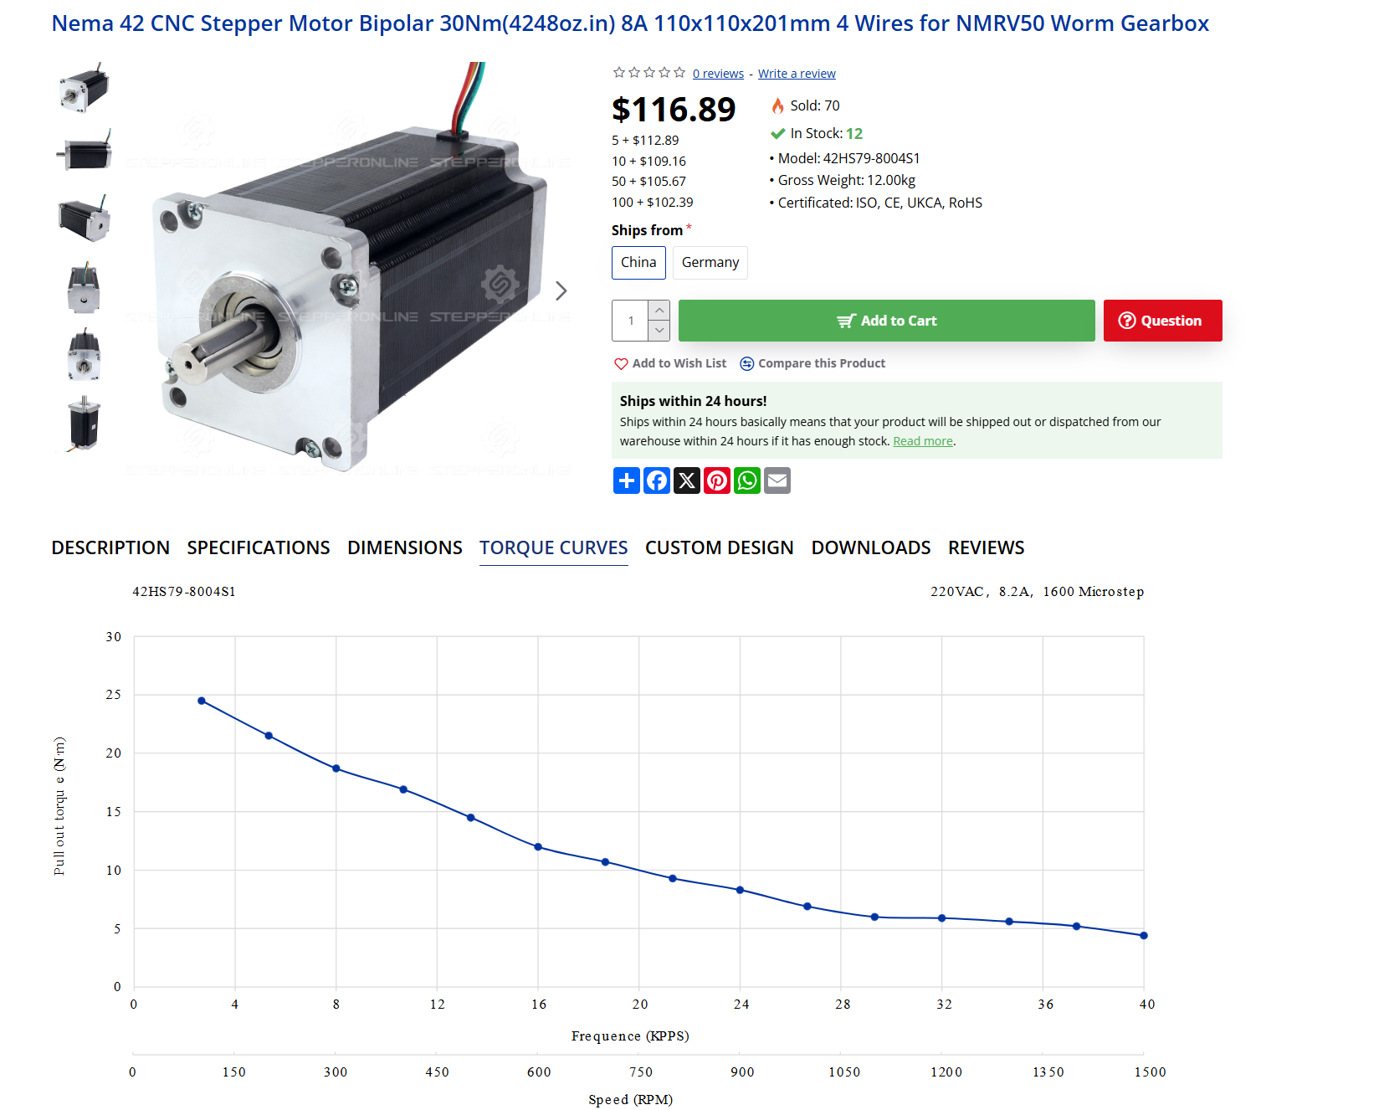
0.45 | 28 | 26.98206 | 93 | 28.345016763 | 5 | 1.07834 | 4.506685 |  |  | 8.0665273432 | 5.2041221171 | 24.034394835 | -2.4394901784
0.5 | 34 | 31.9024 | 110 | 33.526363913 | 6 | 1.0794825 | 6.154055 |  |  | 9.5161183876 | 6.6537131615 | 28.991820888 | 99.148521065 | Ignoring outliers (θ/s^2) | 349.0636989
0.55 | 41 | 39.29017 | 135 | 41.145992076 | 7 | 0.0040425 | 6.567715 |  |  | 11.625257351 | 8.7628521249 | 42.182779267 | 263.81916758 | Ignoring outliers (rad/s^2) | 6.09119909
0.6 | 47 | 45.03783 | 155 | 47.241694605 | 6 | 0.00447 | 6.161315 |  |  | 13.29015023 | 10.427745004 | 33.297857573 | -177.69843389
0.65 | 54 | 51.6128 | 178 | 54.251752514 | 7 | 0.6517925 | 6.57497 |  |  | 15.176775151 | 12.314369925 | 37.732498427 | 88.692817084
0.7 | 61 | 58.18777 | 200 | 60.957025297 | 8 | -0.211375 | 7.402285 |  |  | 16.950441658 | 14.088036432 | 35.473330137 | -45.183365792
0.75 | 70 | 66.41737 | 229 | 69.795793965 | 6 | -1.507655 | 6.16857 |  |  | 19.237913182 | 16.375507956 | 45.74943049 | 205.52200705
0.8 | 74 | 70.52491 | 243 | 74.062785736 | 5 | -0.8610875 | 4.5212 |  |  | 20.320293 | 17.457887774 | 21.647596347 | -482.03668285
0.85 | 79 | 75.45977 | 260 | 79.244132886 | 5 | 0.8677825 | 4.52846 |  |  | 21.614494163 | 18.752088936 | 25.884023258 | 84.728538206
0.9 | 84 | 79.58183 | 274 | 83.511124657 | 6 | 1.301235 | 6.183085 |  |  | 22.663250174 | 19.800844948 | 20.975120222 | -98.178060722
0.95 | 92 | 87.82594 | 303 | 92.349893325 | 7 | -0.4291625 | 7.0104 |  |  | 24.7851064 | 21.922701174 | 42.43712453 | 429.24008616
1 | 98 | 93.60263 | 322 | 98.140810728 | 6 | -0.4284525 | 5.36303 |  |  | 26.137374031 | 23.274968805 | 27.045352613 | -307.83543832
1.05 | 103 | 98.552 | 339 | 103.32215788 | 7 | 1.304595 | 5.370285 |  |  | 27.321364273 | 24.458959047 | 23.679804838 | -67.310955515
1.1 | 111 | 104.3432 | 365 | 111.24657117 | 8 | 1.5242375 | 6.6185 |  |  | 29.084249556 | 26.22184433 | 35.257705664 | 231.55801652
1.15 | 120 | 111.789 | 394 | 120.08533984 | 10 | 0.658825 | 7.05395 |  |  | 30.981729664 | 28.119324438 | 37.949602166 | 53.83793005
1.2 | 130 | 118.4511 | 428 | 130.44803414 | 10 | -0.861525 | 6.64755 |  |  | 33.114005319 | 30.251600093 | 42.645513106 | 93.918218797
1.25 | 139 | 125.0841 | 456 | 138.98201768 | 8 | -0.426725 | 5.00015 |  |  | 34.795826682 | 31.933421456 | 33.636427259 | -180.18171694
1.3 | 146 | 128.4514 | 479 | 145.99207559 | 9 | 1.5316 | 5.0292 |  |  | 36.127963146 | 33.26555792 | 26.64272928 | -139.87395958
1.35 | 156 | 135.1425 | 513 | 156.35476989 | 11 | 1.753075 | 6.2847 |  |  | 38.017366097 | 35.154960871 | 37.788059013 | 222.90659467
Angular Speed vs Time
1.4 | 168 | 141.0208 | 551 | 167.93660469 | 12 | 0.44855 | 7.1265 |  |  | 40.019609499 | 37.157204273 | 40.044868036 | 45.136180447
1.45 | 181 | 149.3955 | 593 | 180.73758001 | 12 | -2.609775 | 7.13375 |  |  | 42.103739595 | 39.241334369 | 41.682601921 | 32.754677717
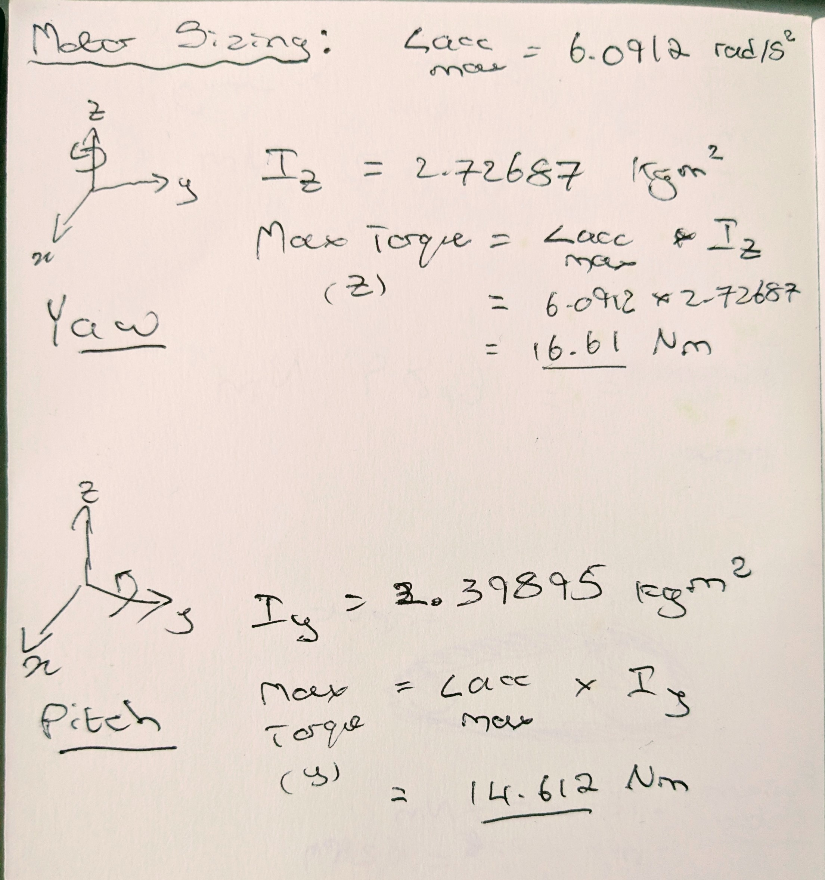
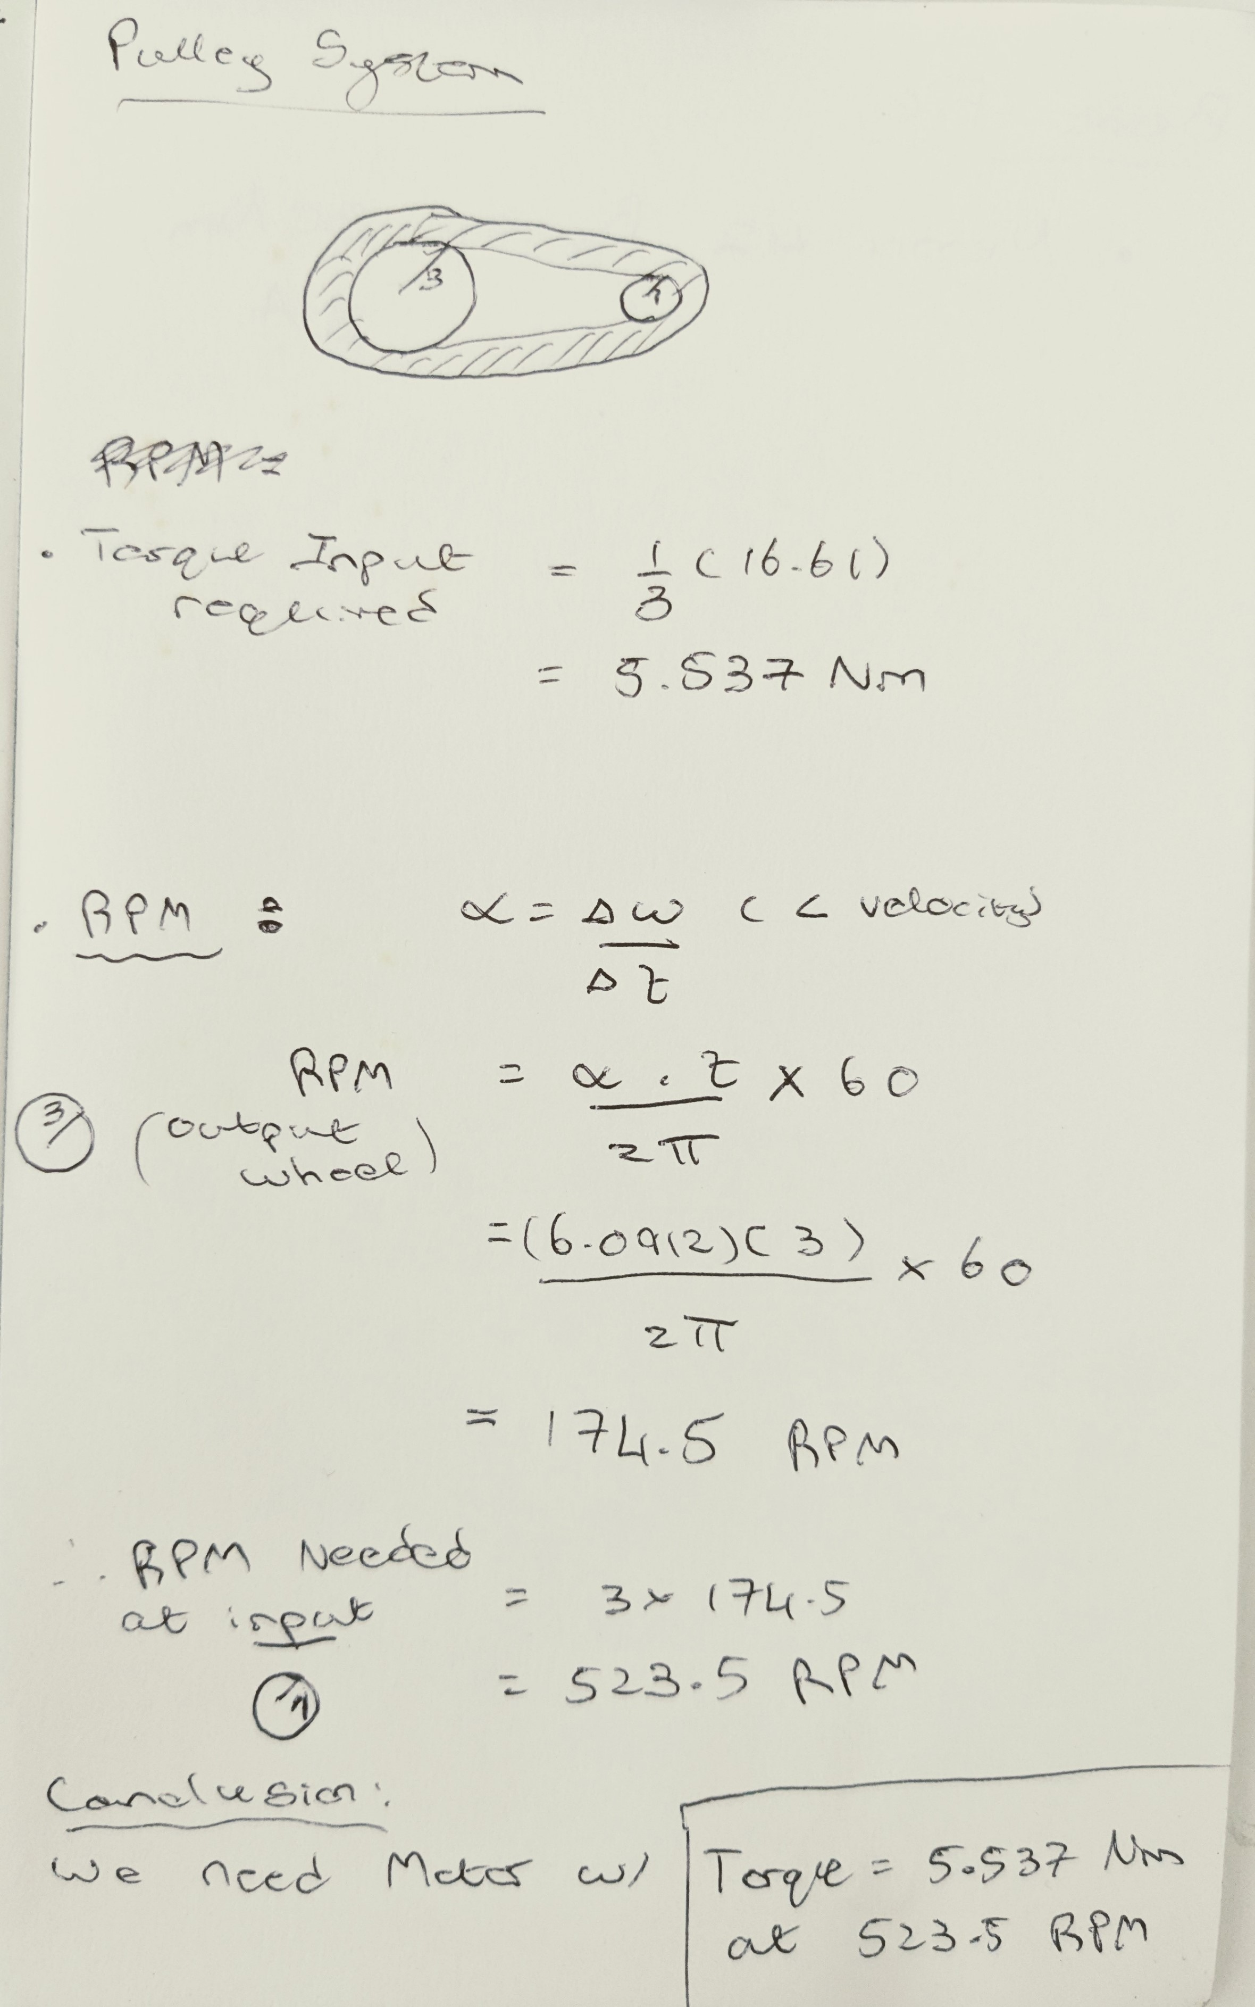
1.5 | 191 | 155.2883 | 628 | 191.40505943 | 7 | 3.520125 | 2.14815 |  |  | 43.742032899 | 40.879627673 | 32.76586609 | -178.33471663
1.55 | 195 | 153.6918 | 639 | 194.75769582 | 19 | 16.0331 | 11.7711 |  |  | 44.239168096 | 41.37676287 | 9.9427039249 | -456.4632433
1.6 | 229 | 178.8305 | 751 | 228.89362999 | 39 | 0.4749 | 30.6251 |  |  | 48.854068486 | 45.99166326 | 92.298007807 | 1647.1060776
1.65 | 273 | 214.942 | 896 | 273.08747333 | 20 | -17.7656 | 12.67095 |  |  | 53.782217923 | 50.919812696 | 98.56298873 | 125.29961847
1.7 | 269 | 204.1724 | 881 | 268.51569643 | 4 | -3.716275 | -3.2149 |  |  | 53.31995404 | 50.457548814 | -9.2452776472 | -2156.1653276
1.75 | 280 | 208.5122 | 919 | 280.09753124 | 12 | 5.963225 | 4.3543 |  |  | 54.471759437 | 51.609354211 | 23.036107945 | 645.62771184
1.8 | 293 | 212.881 | 962 | 293.20329168 | 15 | 2.228175 | 8.5417 |  |  | 55.701296887 | 52.838891661 | 24.590748997 | 31.092821049
1.85 | 311 | 225.5956 | 1020 | 310.88082902 | 17 | 0.24515 | 11.47355 |  |  | 57.245472472 | 54.383067246 | 30.8835117 | 125.85525405
1.9 | 327 | 235.8281 | 1072 | 326.72965559 | 16 | -1.749025 | 10.65345 |  |  | 58.528079833 | 55.665674607 | 25.65214721 | -104.6272898
1.95 | 343 | 246.9025 | 1125 | 342.8832673 | 13 | -1.532 | 6.4879 |  |  | 59.745462837 | 56.883057611 | 24.347660083 | -26.089742527
2 | 353 | 248.8039 | 1160 | 353.55074672 | 13 | 1.7984 | 5.2542 |  |  | 60.503607887 | 57.641202661 | 15.162901005 | -183.69518156
2.05 | 369 | 257.4109 | 1209 | 368.48521792 | 17 | 3.8081 | 10.7333 |  |  | 61.508544868 | 58.646139642 | 20.098739627 | 98.716772439
2.1 | 387 | 270.2705 | 1271 | 387.38189576 | 20 | 1.14555 | 13.33135 |  |  | 62.693308903 | 59.830903677 | 23.695280685 | 71.930821159
2.15 | 410 | 284.0736 | 1344 | 409.63121 | 19 | -1.75115 | 10.4285 |  |  | 63.976331739 | 61.113926513 | 25.660456733 | 39.303520955
2.2 | 426 | 291.1275 | 1396 | 425.48003657 | 17 | 0.036075 | 7.09025 |  |  | 64.823786186 | 61.96138096 | 16.949088935 | -174.22735594
2.25 | 444 | 298.2541 | 1455 | 443.46235904 | 19 | 2.7261 | 9.2456 |  |  | 65.724788913 | 62.862383687 | 18.020054532 | 21.419311941
2.3 | 464 | 309.6187 | 1523 | 464.18774764 | 22 | 2.06455 | 13.9192 |  |  | 66.690715935 | 63.828310709 | 19.318540437 | 25.969718092
2.35 | 488 | 326.0925 | 1602 | 488.26577263 | 23 | 0.0495 | 13.98455 |  |  | 67.725356722 | 64.862951496 | 20.692815747 | 27.485506191
2.4 | 511 | 337.5878 | 1676 | 510.81987199 | 23 | -0.172775 | 11.1034 |  |  | 68.618293331 | 65.755888105 | 17.858732175 | -56.68167143
2.45 | 534 | 348.2993 | 1750 | 533.37397135 | 23 | 0.95795 | 10.3269 |  |  | 69.445389992 | 66.582984765 | 16.541933216 | -26.335979191
2.5 | 557 | 358.2416 | 1828 | 557.14721122 | 24 | 0.507475 | 12.06865 |  |  | 70.253305782 | 67.390900556 | 16.158315807 | -7.6723481805
2.55 | 582 | 372.4366 | 1911 | 582.44437671 | 24 | -0.397425 | 16.256 |  |  | 71.048531504 | 68.186126278 | 15.90451444 | -5.0760273401
2.6 | 605 | 390.7536 | 1985 | 604.99847607 | 24 | 0.742775 | 4.60825 |  |  | 71.707181026 | 68.8447758 | 13.172990442 | -54.630479952
2.65 | 630 | 381.6531 | 2066 | 629.68607132 | 26 | 2.118475 | -12.86695 |  |  | 72.379184604 | 69.516779378 | 13.440071566 | 5.3416224787
2.7 | 656 | 365.0197 | 2153 | 656.20237732 | 28 | 1.443775 | 7.73615 |  |  | 73.04961623 | 70.187211004 | 13.40863252 | -0.62878091624
2.75 | 686 | 397.1254 | 2249 | 685.46174947 | 28 | 0.7686 | 23.71635 |  |  | 73.734121416 | 70.871716189 | 13.690103707 | 5.6294237384
2.8 | 713 | 412.4524 | 2340 | 713.19719598 | 29 | 1.69905 | 16.27775 |  |  | 74.335050781 | 71.472645555 | 12.018587314 | -33.430327854
2.85 | 744 | 429.6809 | 2442 | 744.28527888 | 32 | 2.174925 | 15.60285 |  |  | 74.959113961 | 72.096708735 | 12.481263597 | 9.2535256468
2.9 | 777 | 443.6581 | 2549 | 776.89728741 | 34 | 0.799225 | 16.18345 |  |  | 75.563565837 | 72.701160611 | 12.089037516 | -7.8445216052
2.95 | 812 | 462.0478 | 2664 | 811.94757696 | 33 | -0.3544 | 16.65515 |  |  | 76.162301958 | 73.299896732 | 11.974722421 | -2.2863019154
3 | 844 | 476.9684 | 2768 | 843.64523011 | 33 | 0.57995 | 18.83225 |  |  | 76.66329678 | 73.800891554
3.05 | 878 | 499.7123 | 2881 | 878.08594941 | 35 | 1.756075 | 20.6829 |  |  | 77.16874614 | 74.306340914
3.1 | 913 | 518.3342 | 2995 | 912.83145383 | 37 | 0.827475 | 18.75245 |  |  | 77.641858513 | 74.779453287
3.15 | 951 | 537.2172 | 3121 | 951.23437976 | 36 | -0.103675 | 14.99325 |  |  | 78.126331215 | 75.263925989
3.2 | 985 | 548.3207 | 3233 | 985.37031393 | 36 | 1.082625 | 16.3794 |  |  | 78.526572059 | 75.664166833
3.25 | 1024 | 569.976 | 3360 | 1024.078025 | 38 | 1.56545 | 20.39985 |  |  | 78.949364262 | 76.086959036
3.3 | 1062 | 589.1204 | 3485 | 1062.1761658 | 40 | 0.627325 | 19.28945 |  |  | 79.336476122 | 76.474070896
3.35 | 1103 | 608.5549 | 3619 | 1103.0173728 | 40 | 0.156 | 16.40835 |  |  | 79.722741511 | 76.860336285
3.4 | 1141 | 621.9371 | 3745 | 1141.4202987 | 40 | 0.39925 | 15.65365 |  |  | 80.06150811 | 77.199102884
3.45 | 1183 | 639.8622 | 3881 | 1182.8710759 | 40 | 0.402 | 17.06155 |  |  | 80.403186522 | 77.540781295
3.5 | 1222 | 656.0602 | 4011 | 1222.4931423 | 41 | -0.0795 | 16.74225 |  |  | 80.708714996 | 77.84630977
3.55 | 1264 | 673.3467 | 4147 | 1263.9439195 | 40 | -0.079 | 15.0876 |  |  | 81.008360304 | 78.145955078
3.6 | 1303 | 686.2354 | 4275 | 1302.9564157 | 40 | -0.08275 | 15.6319 |  |  | 81.273377004 | 78.410971778
3.65 | 1345 | 704.6105 | 4413 | 1345.0167632 | 40 | -0.08225 | 15.6972 |  |  | 81.542260139 | 78.679854913
3.7 | 1383 | 717.6298 | 4538 | 1383.114904 | 40 | 0.41025 | 14.06435 |  |  | 81.771996112 | 78.909590886
3.75 | 1426 | 732.7392 | 4677 | 1425.4800366 | 41 | 0.41275 | 12.43875 |  |  | 82.013328952 | 79.150923726
3.8 | 1465 | 742.5073 | 4807 | 1465.102103 | 41 | 0.66875 | 12.0976 |  |  | 82.226642989 | 79.364237763
3.85 | 1508 | 756.9344 | 4947 | 1507.7720207 | 42 | 1.4255 | 12.25005 |  |  | 82.444050817 | 79.581645591
3.9 | 1550 | 767.0074 | 5085 | 1549.8323682 | 44 | 0.68525 | 11.5824 |  |  | 82.6468341 | 79.784428874
3.95 | 1596 | 780.0992 | 5236 | 1595.8549223 | 44 | -0.5635 | 9.4125 |  |  | 82.856668051 | 79.994262824
4 | 1637 | 785.8324 | 5371 | 1637.0009144 | 43 | 0.193 | 8.97715 |  |  | 83.034429318 | 80.172024092
4.05 | 1682 | 798.0535 | 5517 | 1681.4995428 | 44 | 2.23025 | 10.4503 |  |  | 83.217023324 | 80.354618098
4.1 | 1725 | 806.733 | 5660 | 1725.0838159 | 47 | 3.27825 | 12.11945 |  |  | 83.386857997 | 80.524452771
4.15 | 1776 | 822.2924 | 5828 | 1776.2877172 | 51 | 2.03525 | 13.35315 |  |  | 83.575873787 | 80.713468561
4.2 | 1826 | 833.4393 | 5992 | 1826.2724779 | 51 | -0.25775 | 14.42715 |  |  | 83.750290337 | 80.88788511
4.25 | 1879 | 851.1467 | 6165 | 1879.0003048 | 50 | -1.8175 | 13.0556 |  |  | 83.924336988 | 81.061931761
4.3 | 1927 | 859.5505 | 6321 | 1926.5467845 | 48 | -1.5785 | 8.89725 |  |  | 84.073201462 | 81.210796236
4.35 | 1975 | 868.9412 | 6478 | 1974.3980494 | 47 | -0.55675 | 7.06845 |  |  | 84.215856705 | 81.353451479
4.4 | 2021 | 873.6874 | 6629 | 2020.4206035 | 47 | -0.83225 | 6.64025 |  |  | 84.346748667 | 81.484343441
4.45 | 2068 | 882.2217 | 6784 | 2067.6622981 | 45 | -0.5745 | 5.1816 |  |  | 84.475105026 | 81.612699799
4.5 | 2111 | 884.0506 | 6926 | 2110.941786 | 45 | 0.477 | 4.7898 |  |  | 84.587699323 | 81.725294097
4.55 | 2159 | 891.8013 | 7083 | 2158.7930509 | 46 | -0.5915 | 5.334 |  |  | 84.706977983 | 81.844572757
4.6 | 2204 | 894.7186 | 7229 | 2203.2916794 | 44 | -1.3965 | 3.8172 |  |  | 84.81328912 | 81.950883894
4.65 | 2247 | 899.4357 | 7373 | 2247.1807376 | 43 | -0.61 | 2.82305 |  |  | 84.914052781 | 82.051647555
4.7 | 2290 | 900.3647 | 7514 | 2290.1554404 | 43 | -0.62075 | 2.8085 |  |  | 85.00900381 | 82.146598583
4.75 | 2334 | 905.0527 | 7656 | 2333.4349284 | 42 | 0.19125 | 1.7925 |  |  | 85.101119809 | 82.238714583
4.8 | 2375 | 903.9497 | 7791 | 2374.5809205 | 43 | 1.0055 | 2.3876 |  |  | 85.185603576 | 82.32319835
4.85 | 2421 | 909.8279 | 7941 | 2420.2986894 | 44 | -0.3555 | 2.92465 |  |  | 85.276128709 | 82.413723483
4.9 | 2463 | 909.799 | 8081 | 2462.9686071 | 43 | -0.904 | 0.44275 |  |  | 85.357606989 | 82.495201763
4.95 | 2506 | 910.7134 | 8222 | 2505.94331 | 42 | 0.18925 | -1.5168 |  |  | 85.436880777 | 82.574475551
5 | 2548 | 906.7654 | 8360 | 2548.0036574 | 43 | 0.46525 | -0.508 |  |  | 85.511894684 | 82.649489458
5.05 | 2592 | 909.6974 | 8505 | 2592.1975008 | 43 | 0.19325 | 0.4427 |  |  | 85.588106764 | 82.725701538
5.1 | 2635 | 907.6508 | 8644 | 2634.5626333 | 44 | -0.08675 | -0.50075 |  |  | 85.658778877 | 82.79637365
5.15 | 2679 | 908.6959 | 8791 | 2679.3660469 | 43 | -0.36875 | -3.9624 |  |  | 85.731100625 | 82.868695399
5.2 | 2721 | 899.726 | 8927 | 2720.8168241 | 43 | 0.19375 | -7.4459 |  |  | 85.795900973 | 82.933495747
5.25 | 2765 | 893.8041 | 9071 | 2764.7058824 | 44 | 3.04475 | -7.47485 |  |  | 85.862406416 | 83.00000119
5.3 | 2808 | 884.7763 | 9213 | 2807.9853703 | 49 | 2.77825 | -1.1611 |  |  | 85.92596275 | 83.063557524
5.35 | 2863 | 891.4819 | 9392 | 2862.541908 | 49 | -3.21 | 1.27725 |  |  | 86.003354847 | 83.140949621
5.4 | 2906 | 887.3308 | 9535 | 2906.126181 | 42 | -3.2235 | -4.2672 |  |  | 86.063104135 | 83.200698909
5.45 | 2948 | 882.9475 | 9671 | 2947.5769582 | 43 | 1.6425 | -3.80275 |  |  | 86.118296917 | 83.255891691
5.5 | 2992 | 879.7253 | 9815 | 2991.4660165 | 46 | -0.1015 | 0.44995 |  |  | 86.175076716 | 83.31267149
5.55 | 3039 | 883.8474 | 9971 | 3039.0124962 | 42 | -2.4225 | -2.8956 |  |  | 86.234745559 | 83.372340332
5.6 | 3076 | 873.9341 | 10093 | 3076.1962816 | 41 | 2.84225 | -5.08 |  |  | 86.280129828 | 83.417724602
5.65 | 3121 | 873.6874 | 10239 | 3120.6949101 | 48 | 2.8405 | 3.63585 |  |  | 86.333026451 | 83.470621225
5.7 | 3173 | 881.2058 | 10409 | 3172.5083816 | 47 | -3.924 | 2.98995 |  |  | 86.3927561 | 83.530350874
5.75 | 3214 | 879.6673 | 10545 | 3213.9591588 | 40 | -2.1635 | -2.6779 |  |  | 86.439158632 | 83.576753406
5.8 | 3253 | 875.85 | 10673 | 3252.971655 | 42 | 1.67125 | 0.05805 |  |  | 86.481755458 | 83.619350231
5.85 | 3299 | 879.7834 | 10822 | 3298.3846388 | 44 | -3.42725 | 0.1524 |  |  | 86.530076349 | 83.667671123
5.9 | 3340 | 876.1548 | 10960 | 3340.4449863 | 35 | -1.61575 | -8.38925 |  |  | 86.573662244 | 83.711257018
5.95 | 3369 | 863.0049 | 11054 | 3369.0947882 | 40 | 15.04225 | -2.25695 |  |  | 86.602730289 | 83.740325063
6 | 3421 | 871.6409 | 11225 | 3421.2130448 | 65 | 5.0625 | 21.9819 |  |  | 86.654365329 | 83.791960103
6.05 | 3500 | 906.9687 | 11484 | 3500.1523926 | 51 | -22.03275 | 7.0322 |  |  | 86.729654161 | 83.867248935
6.1 | 3522 | 885.7053 | 11556 | 3522.0969217 | 21 | -14.52675 | -20.85705 |  |  | 86.749986332 | 83.887581106
6.15 | 3543 | 865.2546 | 11624 | 3542.8223103 | 21 | 0.0485 | -21.00945 |  |  | 86.7689584 | 83.906553174
6.2 | 3565 | 843.6864 | 11697 | 3565.0716245 | 22 | 1.59275 | -20.61755 |  |  | 86.789080736 | 83.92667551
6.25 | 3586 | 824.0195 | 11766 | 3586.1017982 | 25 | 5.315 | -17.27925 |  |  | 86.807871651 | 83.945466425
6.3 | 3615 | 809.1279 | 11859 | 3614.446815 | 32 | 8.4645 | -10.85665 |  |  | 86.832853622 | 83.970448396
6.35 | 3650 | 802.3062 | 11977 | 3650.4114599 | 42 | 8.555 | -6.9451 |  |  | 86.863994444 | 84.001589218
6.4 | 3698 | 795.2377 | 12132 | 3697.6531545 | 49 | 1.442 | 0.15235 |  |  | 86.903982008 | 84.041576781
6.45 | 3749 | 802.6109 | 12300 | 3748.8570558 | 44 | -7.644 | 1.90865 |  |  | 86.94618849 | 84.083783264
6.5 | 3787 | 799.055 | 12423 | 3786.3456263 | 34 | -9.614 | -8.27315 |  |  | 86.976367863 | 84.113962637
6.55 | 3817 | 786.0646 | 12523 | 3816.824139 | 25 | -6.86075 | -19.52905 |  |  | 87.000468226 | 84.138062999
6.6 | 3837 | 759.9969 | 12589 | 3836.9399573 | 20 | 0.386 | -21.1473 |  |  | 87.016165295 | 84.153760069
6.65 | 3857 | 743.77 | 12655 | 3857.0557757 | 26 | 9.2935 | -14.18045 |  |  | 87.031699076 | 84.169293849
6.7 | 3889 | 731.636 | 12760 | 3889.058214 | 39 | 8.40175 | -8.86095 |  |  | 87.056081605 | 84.193676379
6.75 | 3935 | 726.0481 | 12910 | 3934.7759829 | 43 | -4.66725 | -3.58495 |  |  | 87.090227571 | 84.227822345
6.8 | 3975 | 724.4661 | 13040 | 3974.3980494 | 29 | -12.07975 | -10.26885 |  |  | 87.119186928 | 84.256781702
6.85 | 3994 | 705.5104 | 13104 | 3993.9042975 | 19 | -2.1715 | -22.4754 |  |  | 87.133233306 | 84.27082808
6.9 | 4012 | 679.5153 | 13163 | 4011.8866199 | 25 | 8.139 | -17.5913 |  |  | 87.146061611 | 84.283656385
6.95 | 4044 | 670.3278 | 13269 | 4044.1938433 | 35 | 5.27475 | -0.4427 |  |  | 87.168823183 | 84.306417957
7 | 4082 | 678.6299 | 13392 | 4081.6824139 | 36 | 0.458 | -4.4704 |  |  | 87.194784648 | 84.332379422
7.05 | 4116 | 661.387 | 13503 | 4115.5135629 | 36 | 1.7795 | -28.223 |  |  | 87.217808246 | 84.355403019
7.1 | 4154 | 622.1839 | 13627 | 4153.3069186 | 39 | 1.4575 | -10.72605 |  |  | 87.243085789 | 84.380680563
7.15 | 4194 | 639.9349 | 13761 | 4194.1481256 | 39 | -1.15875 | 16.51 |  |  | 87.269890879 | 84.407485653
7.2 | 4231 | 655.2039 | 13882 | 4231.0271259 | 37 | -2.8295 | 14.7392 |  |  | 87.293651858 | 84.431246632
7.25 | 4268 | 669.4133 | 14003 | 4267.9061262 | 33 | -4.18825 | 11.0381 |  |  | 87.317003107 | 84.454597881
7.3 | 4297 | 677.2801 | 14099 | 4297.1654983 | 29 | -2.891 | 3.7302 |  |  | 87.335245193 | 84.472839967
7.35 | 4325 | 676.8737 | 14191 | 4325.20573 | 27 | 0.423 | -4.5865 |  |  | 87.352496091 | 84.490090865
7.4 | 4352 | 668.1071 | 14278 | 4351.722036 | 29 | 1.76175 | -11.58965 |  |  | 87.368605357 | 84.506200131
7.45 | 4384 | 653.6944 | 14384 | 4384.0292594 | 31 | -0.24325 | -17.5405 |  |  | 87.387969935 | 84.525564709
7.5 | 4414 | 633.0261 | 14480 | 4413.2886315 | 29 | -2.9425 | -14.79735 |  |  | 87.405263516 | 84.542858289
7.55 | 4442 | 624.0997 | 14573 | 4441.6336483 | 25 | -2.9635 | -8.57075 |  |  | 87.421799839 | 84.559394613
7.6 | 4464 | 615.8846 | 14644 | 4463.2733923 | 23 | -0.27275 | -2.12635 |  |  | 87.434283245 | 84.571878019
7.65 | 4488 | 619.847 | 14724 | 4487.6562024 | 24 | 0.73925 | 3.9697 |  |  | 87.448205093 | 84.585799867
7.7 | 4512 | 623.824 | 14804 | 4512.0390125 | 24 | -0.61875 | -1.45865 |  |  | 87.461976771 | 84.599571545
7.75 | 4537 | 616.9297 | 14885 | 4536.7266077 | 23 | 0.0645 | -14.90615 |  |  | 87.475770069 | 84.613364843
7.8 | 4559 | 594.0117 | 14957 | 4558.6711368 | 25 | 2.46325 | -17.3373 |  |  | 87.487905602 | 84.625500376
7.85 | 4586 | 582.2551 | 15046 | 4585.7970131 | 28 | 1.78925 | -1.3281 |  |  | 87.502746259 | 84.640341033
7.9 | 4615 | 591.3555 | 15141 | 4614.7516001 | 28 | -1.29725 | 9.0787 |  |  | 87.518395264 | 84.655990038
7.95 | 4642 | 600.4125 | 15231 | 4642.1822615 | 26 | -1.30075 | 0.33385 |  |  | 87.5330409 | 84.670635673
8 | 4666 | 592.0232 | 15308 | 4665.6507162 | 26 | 1.46175 | -8.90455 |  |  | 87.545434611 | 84.683029385
8.05 | 4694 | 582.6034 | 15399 | 4693.3861628 | 28 | 2.862 | -6.9233 |  |  | 87.559922219 | 84.697516993
8.1 | 4723 | 578.1766 | 15495 | 4722.6455349 | 31 | 1.138 | -4.318 |  |  | 87.575021732 | 84.712616506
8.15 | 4756 | 573.9674 | 15605 | 4756.1718988 | 31 | -1.29825 | -8.14255 |  |  | 87.592095268 | 84.729690042
8.2 | 4784 | 561.8915 | 15696 | 4783.9073453 | 29 | -1.65825 | -9.5649 |  |  | 87.606039181 | 84.743633954
8.25 | 4814 | 554.8376 | 15793 | 4813.4715026 | 27 | -0.97 | -9.0932 |  |  | 87.620725846 | 84.75832062
8.3 | 4839 | 543.7051 | 15876 | 4838.7686681 | 27 | -0.27275 | -6.02345 |  |  | 87.633150549 | 84.770745323
8.35 | 4867 | 542.7907 | 15969 | 4867.1136849 | 27 | 0.07825 | -1.6401 |  |  | 87.646919029 | 84.784513802
8.4 | 4893 | 540.4249 | 16052 | 4892.4108504 | 27 | 0.4355 | -0.37735 |  |  | 87.659072522 | 84.796667296
8.45 | 4921 | 542.036 | 16145 | 4920.7558671 | 28 | 0.0795 | -1.6111 |  |  | 87.672542089 | 84.810136862
8.5 | 4948 | 537.2027 | 16234 | 4947.8817434 | 27 | -0.27425 | -3.5705 |  |  | 87.685288043 | 84.822882817
8.55 | 4975 | 534.895 | 16323 | 4975.0076196 | 27 | -0.279 | -1.6764 |  |  | 87.69789523 | 84.835490004
8.6 | 5002 | 533.8499 | 16412 | 5002.1334959 | 27 | -0.64025 | 1.4877 |  |  | 87.710365902 | 84.847960676
8.65 | 5028 | 537.8704 | 16497 | 5028.0402316 | 26 | 0.43875 | 2.7432 |  |  | 87.722150673 | 84.859745447
8.7 | 5054 | 539.3363 | 16582 | 5053.9469674 | 27 | 0.79875 | 2.85205 |  |  | 87.733814815 | 84.871409589
8.75 | 5083 | 543.5745 | 16677 | 5082.9015544 | 27 | -0.28075 | 2.8666 |  |  | 87.746710722 | 84.884305496
8.8 | 5109 | 545.0695 | 16763 | 5109.1130753 | 27 | -0.646 | 3.49795 |  |  | 87.758259053 | 84.895853827
8.85 | 5137 | 550.5704 | 16853 | 5136.5437367 | 26 | -0.65275 | 1.51675 |  |  | 87.770218496 | 84.90781327
8.9 | 5162 | 548.103 | 16934 | 5161.2313319 | 26 | -0.29175 | -2.4384 |  |  | 87.780873468 | 84.918468242
8.95 | 5188 | 545.6936 | 17021 | 5187.7476379 | 26 | 0.072 | -2.45295 |  |  | 87.792204909 | 84.929799683
9 | 5213 | 543.1971 | 17102 | 5212.4352332 | 26 | 0.07225 | 0.17415 |  |  | 87.802651389 | 84.940246162
9.05 | 5239 | 546.0419 | 17189 | 5238.9515392 | 26 | 0.07275 | 0.1669 |  |  | 87.813762178 | 84.951356952
9.1 | 5264 | 543.5309 | 17271 | 5263.9439195 | 26 | 0.0735 | -2.4747 |  |  | 87.824132091 | 84.961726865
9.15 | 5291 | 541.0925 | 17359 | 5290.7650107 | 26 | 0.07375 | -5.15255 |  |  | 87.83515195 | 84.972746724
9.2 | 5316 | 533.2258 | 17441 | 5315.757391 | 26 | -0.29875 | -4.50665 |  |  | 87.845320509 | 84.982915282
9.25 | 5343 | 532.0792 | 17529 | 5342.5784822 | 25 | -0.6735 | -3.24395 |  |  | 87.856127424 | 84.993722198
9.3 | 5367 | 526.7379 | 17607 | 5366.351722 | 25 | -0.3045 | -2.63435 |  |  | 87.865616096 | 85.00321087
9.35 | 5392 | 526.8105 | 17691 | 5391.9536727 | 25 | 0.067 | -1.98845 |  |  | 87.875741222 | 85.013335996
9.4 | 5416 | 522.761 | 17769 | 5415.7269125 | 25 | 0.06775 | -1.98845 |  |  | 87.885057525 | 85.022652299
9.45 | 5442 | 522.8336 | 17853 | 5441.3288632 | 25 | 0.068 | -2.00295 |  |  | 87.89499955 | 85.032594324
9.5 | 5466 | 518.7551 | 17932 | 5465.4068881 | 25 | -0.31075 | -2.68515 |  |  | 87.904264909 | 85.041859683
9.55 | 5491 | 517.4633 | 18017 | 5491.3136239 | 24 | -0.31125 | -2.7432 |  |  | 87.914143344 | 85.051738118
9.6 | 5514 | 513.2687 | 18091 | 5513.8677233 | 24 | 0.065 | -2.75045 |  |  | 87.922667908 | 85.060262682
9.65 | 5540 | 511.9624 | 18176 | 5539.774459 | 24 | -0.31675 | -2.0828 |  |  | 87.932374093 | 85.069968866
9.7 | 5563 | 509.1031 | 18251 | 5562.6333435 | 24 | -0.7005 | -2.14085 |  |  | 87.94086339 | 85.078458164
9.75 | 5587 | 507.6807 | 18331 | 5587.0161536 | 23 | -0.32225 | -4.25995 |  |  | 87.949842172 | 85.087436946
9.8 | 5609 | 500.5832 | 18401 | 5608.3511125 | 23 | 0.4435 | -4.2672 |  |  | 87.957634644 | 85.095229418
9.85 | 5633 | 499.1463 | 18482 | 5633.0387077 | 24 | 0.44525 | -2.87385 |  |  | 87.966578071 | 85.104172845
9.9 | 5656 | 494.8355 | 18558 | 5656.2023773 | 24 | -0.32375 | -2.19895 |  |  | 87.974898533 | 85.112493307
9.95 | 5681 | 494.7484 | 18639 | 5680.8899726 | 23 | -1.101 | -2.25695 |  |  | 87.98369179 | 85.121286564
10 | 5703 | 490.3216 | 18710 | 5702.5297165 | 22 | -0.329 | -3.7374 |  |  | 87.991336921 | 85.128931695
10.05 | 5724 | 487.2736 | 18781 | 5724.1694605 | 23 | 0.83275 | -3.01895 |  |  | 87.998924318 | 85.136519092
10.1 | 5748 | 484.2837 | 18858 | 5747.6379153 | 23 | -0.33475 | -2.29325 |  |  | 88.007088404 | 85.144683178
10.15 | 5771 | 482.6871 | 18934 | 5770.8015849 | 22 | -1.1155 | -3.7955 |  |  | 88.015081426 | 85.1526762
10.2 | 5791 | 476.6927 | 19001 | 5791.2221884 | 21 | 0.0535 | -4.55025 |  |  | 88.022074938 | 85.159669712
10.25 | 5813 | 473.5866 | 19073 | 5813.1667175 | 22 | 0.444 | -3.8318 |  |  | 88.029535649 | 85.167130423
10.3 | 5835 | 469.0291 | 19145 | 5835.1112466 | 22 | -0.73575 | -3.14235 |  |  | 88.036940309 | 85.174535083
10.35 | 5857 | 467.3019 | 19217 | 5857.0557757 | 20 | -0.73725 | -3.94785 |  |  | 88.044289548 | 85.181884322
10.4 | 5876 | 461.1334 | 19279 | 5875.9524535 | 21 | 0.84075 | -3.95515 |  |  | 88.050574124 | 85.188168898
10.45 | 5899 | 459.3916 | 19352 | 5898.2017678 | 22 | 0.4445 | -2.46745 |  |  | 88.057922146 | 85.19551692
10.5 | 5921 | 456.1985 | 19425 | 5920.451082 | 21 | -0.344 | -3.2439 |  |  | 88.065215002 | 85.202809776
10.55 | 5941 | 452.9038 | 19493 | 5941.1764706 | 21 | 0.45175 | -3.2657 |  |  | 88.071959264 | 85.209554038
10.6 | 5964 | 449.6671 | 19566 | 5963.4257848 | 22 | -0.3485 | -1.79255 |  |  | 88.079147312 | 85.216742086
10.65 | 5986 | 449.3187 | 19639 | 5985.6750991 | 21 | -0.7475 | -3.33105 |  |  | 88.086281982 | 85.223876756
10.7 | 6005 | 443.005 | 19702 | 6004.876562 | 21 | 0.45125 | -3.33825 |  |  | 88.092396844 | 85.229991618
10.75 | 6028 | 442.6422 | 19776 | 6027.4306614 | 22 | 0.45275 | -1.85785 |  |  | 88.099529678 | 85.237124452
10.8 | 6049 | 439.2893 | 19844 | 6048.15605 | 22 | -0.3515 | -1.1394 |  |  | 88.106037323 | 85.243632097
10.85 | 6071 | 440.3634 | 19918 | 6070.7101493 | 21 | -0.3525 | -1.93035 |  |  | 88.113068738 | 85.250663512
10.9 | 6091 | 435.4286 | 19982 | 6090.2163974 | 21 | 0.04925 | -2.66335 |  |  | 88.119108009 | 85.256702783
10.95 | 6113 | 435.0367 | 20056 | 6112.7704968 | 21 | -0.3575 | -2.6779 |  |  | 88.126042921 | 85.263637695
11 | 6133 | 430.0728 | 20120 | 6132.2767449 | 20 | -0.35775 | -2.72145 |  |  | 88.131999588 | 85.269594362
11.05 | 6154 | 429.5938 | 20190 | 6153.6117037 | 20 | 0.04675 | -1.26275 |  |  | 88.138471499 | 85.276066273
11.1 | 6173 | 427.5473 | 20254 | 6173.1179518 | 20 | 0.457 | -2.01025 |  |  | 88.144349567 | 85.281944341
11.15 | 6195 | 425.5733 | 20324 | 6194.4529107 | 21 | 0.4585 | -1.97395 |  |  | 88.15073636 | 85.288331134
11.2 | 6216 | 423.5994 | 20394 | 6215.7878696 | 21 | -0.77275 | -0.49345 |  |  | 88.157079355 | 85.294674129
11.25 | 6237 | 424.5864 | 20464 | 6237.1228284 | 20 | -0.362 | -1.32805 |  |  | 88.163379 | 85.300973774
11.3 | 6255 | 420.9433 | 20523 | 6255.1051509 | 21 | 0.87175 | -1.2845 |  |  | 88.168655361 | 85.306250135
11.35 | 6279 | 422.0174 | 20599 | 6278.2688205 | 21 | 0.46325 | -0.508 |  |  | 88.17540753 | 85.313002304
11.4 | 6298 | 419.9273 | 20664 | 6298.0798537 | 22 | 0.05225 | 0.9942 |  |  | 88.181143047 | 85.318737821
11.45 | 6322 | 424.0058 | 20740 | 6321.2435233 | 22 | -0.36425 | 0.9942 |  |  | 88.187803644 | 85.325398418
11.5 | 6342 | 421.9157 | 20806 | 6341.3593417 | 21 | -0.365 | -1.29905 |  |  | 88.19354841 | 85.331143184
11.55 | 6363 | 421.4077 | 20877 | 6362.9990856 | 21 | 0.04925 | -0.54425 |  |  | 88.19968787 | 85.337282644
11.6 | 6383 | 420.8272 | 20942 | 6382.8101189 | 21 | -0.3705 | -0.54425 |  |  | 88.205272038 | 85.342866812
11.65 | 6405 | 420.3192 | 21014 | 6404.754648 | 20 | -0.79225 | -2.11185 |  |  | 88.21141729 | 85.349012064
11.7 | 6423 | 416.6035 | 21074 | 6423.0417556 | 19 | -0.37575 | -1.3934 |  |  | 88.216506289 | 85.354101063
11.75 | 6444 | 417.5324 | 21141 | 6443.462359 | 19 | 0.04225 | -1.40785 |  |  | 88.222154899 | 85.359749673
11.8 | 6462 | 413.7878 | 21201 | 6461.7494666 | 19 | -0.381 | -2.1771 |  |  | 88.227183084 | 85.364777858
11.85 | 6482 | 413.1782 | 21268 | 6482.1700701 | 19 | -0.80575 | -2.98995 |  |  | 88.232764394 | 85.370359167
11.9 | 6499 | 407.8079 | 21323 | 6498.9332521 | 18 | -0.38575 | -3.0335 |  |  | 88.237319876 | 85.37491465
11.95 | 6518 | 407.1112 | 21385 | 6517.8299299 | 18 | 0.03575 | -3.05525 |  |  | 88.242427079 | 85.380021853
12 | 6535 | 401.6974 | 21440 | 6534.5931119 | 18 | 0.036 | -3.06255 |  |  | 88.246932961 | 85.384527735
12.05 | 6554 | 400.9861 | 21502 | 6553.4897897 | 18 | 0.4645 | -2.30055 |  |  | 88.251984706 | 85.38957948
12.1 | 6571 | 397.0963 | 21558 | 6570.5577568 | 19 | 0.46575 | -1.49495 |  |  | 88.256522621 | 85.394117395
12.15 | 6591 | 397.9962 | 21625 | 6590.9783603 | 19 | 0.04025 | -1.50945 |  |  | 88.261921059 | 85.399515833
12.2 | 6608 | 394.0774 | 21681 | 6608.0463273 | 19 | 0.04 | -2.29325 |  |  | 88.266407612 | 85.404002386
12.25 | 6629 | 393.4097 | 21749 | 6628.7717159 | 19 | -0.39075 | -2.3078 |  |  | 88.271824536 | 85.40941931
12.3 | 6646 | 389.4618 | 21805 | 6645.839683 | 18 | -0.391 | -1.5603 |  |  | 88.276260187 | 85.413854961
12.35 | 6665 | 390.2891 | 21868 | 6665.041146 | 18 | 0.47075 | -2.35855 |  |  | 88.281223164 | 85.418817937
12.4 | 6683 | 384.7447 | 21924 | 6682.1091131 | 19 | 0.47175 | -2.3223 |  |  | 88.285610775 | 85.423205549
12.45 | 6703 | 385.6445 | 21993 | 6703.1392868 | 19 | -0.3935 | -2.3368 |  |  | 88.29098624 | 85.428581013
12.5 | 6721 | 380.0711 | 22049 | 6720.2072539 | 18 | -0.39475 | -3.1786 |  |  | 88.295324224 | 85.432918998
12.55 | 6740 | 379.2873 | 22112 | 6739.4087169 | 18 | 0.038 | -2.40215 |  |  | 88.300178217 | 85.437772991
12.6 | 6757 | 375.2668 | 22169 | 6756.7814691 | 18 | 0.0385 | -2.4021 |  |  | 88.304546173 | 85.442140947
12.65 | 6776 | 374.4831 | 22232 | 6775.982932 | 18 | -0.4005 | -2.42385 |  |  | 88.309347878 | 85.446942652
12.7 | 6794 | 370.4191 | 22290 | 6793.6604694 | 18 | -0.401 | -2.46745 |  |  | 88.31374452 | 85.451339293
12.75 | 6811 | 369.5482 | 22347 | 6811.0332216 | 18 | 0.476 | -1.6764 |  |  | 88.318043141 | 85.455637914
12.8 | 6829 | 367.0663 | 22405 | 6828.7107589 | 18 | 0.477 | -0.8418 |  |  | 88.322394744 | 85.459989518
12.85 | 6848 | 367.8646 | 22469 | 6848.217007 | 19 | -0.40325 | -0.8491 |  |  | 88.327170464 | 85.464765238
12.9 | 6866 | 365.3681 | 22527 | 6865.8945443 | 18 | -0.40425 | -0.89265 |  |  | 88.33147504 | 85.469069814
12.95 | 6884 | 366.0793 | 22585 | 6883.5720817 | 18 | 0.036 | -0.0871 |  |  | 88.335757527 | 85.473352301
13 | 6901 | 365.1939 | 22643 | 6901.249619 | 18 | 0.03625 | -0.07985 |  |  | 88.340018092 | 85.477612866
13.05 | 6919 | 365.9196 | 22701 | 6918.9271564 | 18 | 0.48225 | -0.0871 |  |  | 88.344256905 | 85.481851679
13.1 | 6937 | 365.0197 | 22759 | 6936.6046937 | 19 | 0.4835 | 0.762 |  |  | 88.348474131 | 85.486068905
13.15 | 6957 | 367.4436 | 22824 | 6956.4157269 | 19 | -0.40775 | -0.05075 |  |  | 88.353174884 | 85.490769658
13.2 | 6975 | 364.9182 | 22882 | 6974.0932642 | 18 | -0.40825 | -0.8926 |  |  | 88.357346873 | 85.494941647
13.25 | 6992 | 365.6584 | 22941 | 6992.0755867 | 18 | 0.487 | -0.8999 |  |  | 88.361569167 | 85.499163941
13.3 | 7010 | 363.1184 | 23000 | 7010.0579092 | 19 | 0.4875 | -0.04355 |  |  | 88.365769816 | 85.50336459
13.35 | 7030 | 365.5713 | 23065 | 7029.8689424 | 19 | -0.41075 | 0.76925 |  |  | 88.370372791 | 85.507967565
13.4 | 7048 | 364.6569 | 23124 | 7047.8512649 | 18 | -0.86375 | -0.08705 |  |  | 88.374528489 | 85.512123262
13.45 | 7066 | 365.3972 | 23183 | 7065.8335873 | 17 | -0.416 | -1.778 |  |  | 88.378663051 | 85.516257825
13.5 | 7082 | 361.1009 | 23237 | 7082.2919842 | 17 | 0.03375 | -1.77805 |  |  | 88.38242884 | 85.520023614
13.55 | 7101 | 361.8411 | 23296 | 7100.2743066 | 17 | 0.03425 | -0.9507 |  |  | 88.38652337 | 85.524118144
13.6 | 7117 | 359.1995 | 23350 | 7116.7327034 | 17 | 0.0345 | -0.9579 |  |  | 88.390252786 | 85.527847559
13.65 | 7135 | 359.9253 | 23409 | 7134.7150259 | 17 | 0.0345 | -0.97245 |  |  | 88.394307863 | 85.531902637
13.7 | 7152 | 357.2546 | 23463 | 7151.1734227 | 17 | 0.03475 | -0.96525 |  |  | 88.398001429 | 85.535596203
13.75 | 7170 | 357.9948 | 23523 | 7169.4605303 | 17 | 0.03475 | -0.1379 |  |  | 88.402085517 | 85.539680291
13.8 | 7186 | 356.9788 | 23577 | 7185.9189272 | 17 | -0.425 | -0.13785 |  |  | 88.405743438 | 85.543338212
13.85 | 7205 | 357.7191 | 23637 | 7204.2060347 | 17 | -0.8865 | -1.85055 |  |  | 88.409788208 | 85.547382982
13.9 | 7219 | 353.2777 | 23686 | 7219.1405059 | 16 | -0.43 | -2.7287 |  |  | 88.413076247 | 85.550671021
13.95 | 7236 | 352.2617 | 23740 | 7235.5989028 | 16 | 0.0285 | -1.9014 |  |  | 88.416684091 | 85.554278865
14 | 7251 | 349.4749 | 23788 | 7250.2285888 | 16 | 0.49225 | -1.90865 |  |  | 88.419877322 | 85.557472096
14.05 | 7267 | 348.4444 | 23843 | 7266.9917708 | 17 | 0.49275 | -1.0305 |  |  | 88.42352044 | 85.561115213
14.1 | 7284 | 347.4139 | 23898 | 7283.7549528 | 17 | -0.43325 | -1.0305 |  |  | 88.4271468 | 85.564741574
14.15 | 7301 | 346.3834 | 23952 | 7300.2133496 | 16 | -0.4335 | -2.7722 |  |  | 88.430691037 | 85.568285811
14.2 | 7316 | 341.8695 | 24001 | 7315.1478208 | 16 | 0.02925 | -2.7795 |  |  | 88.433893312 | 85.571488086
14.25 | 7332 | 340.8244 | 24056 | 7331.9110027 | 16 | 0.02925 | -1.94495 |  |  | 88.437472175 | 85.575066948
14.3 | 7347 | 337.9796 | 24105 | 7346.8454739 | 16 | 0.029 | -1.95215 |  |  | 88.44064687 | 85.578241643
14.35 | 7364 | 336.9201 | 24160 | 7363.6086559 | 16 | 0.02925 | -2.81575 |  |  | 88.444194975 | 85.581789749
14.4 | 7379 | 332.3481 | 24210 | 7378.8479122 | 16 | 0.02975 | -2.82305 |  |  | 88.447406546 | 85.58500132
14.45 | 7396 | 331.274 | 24265 | 7395.6110942 | 16 | 0.02925 | -1.97395 |  |  | 88.450923998 | 85.588518772
14.5 | 7411 | 328.4002 | 24314 | 7410.5455654 | 16 | 0.0295 | -1.1176 |  |  | 88.454044335 | 85.591639108
14.55 | 7428 | 329.0388 | 24370 | 7427.6135325 | 16 | -0.4425 | -1.1321 |  |  | 88.457595079 | 85.595189853
14.6 | 7443 | 326.136 | 24419 | 7442.5480037 | 15 | 0.03 | -2.03925 |  |  | 88.460688631 | 85.598283405
14.65 | 7458 | 324.9603 | 24469 | 7457.78726 | 16 | 0.97575 | -1.1394 |  |  | 88.463832554 | 85.601427328
14.7 | 7475 | 323.8572 | 24525 | 7474.8552271 | 17 | 0.0305 | -0.23945 |  |  | 88.46733854 | 85.604933314
14.75 | 7492 | 324.4814 | 24581 | 7491.9231941 | 16 | -0.4425 | -1.1466 |  |  | 88.470828562 | 85.608423336
14.8 | 7507 | 321.564 | 24631 | 7507.1624505 | 16 | 0.03025 | -1.1394 |  |  | 88.473931253 | 85.611526027
14.85 | 7525 | 322.2026 | 24687 | 7524.2304176 | 16 | 0.03075 | -1.14665 |  |  | 88.477391357 | 85.614986131
14.9 | 7540 | 319.2707 | 24737 | 7539.4696739 | 16 | -0.44825 | -0.27575 |  |  | 88.480467506 | 85.61806228
14.95 | 7557 | 321.6511 | 24794 | 7556.8424261 | 15 | -0.9295 | -0.3193 |  |  | 88.483959193 | 85.621553967
15 | 7570 | 318.6321 | 24838 | 7570.2529717 | 14 | -0.934 | -1.22645 |  |  | 88.486643578 | 85.624238351
15.05 | 7586 | 319.1982 | 24888 | 7585.492228 | 13 | -2.38225 | -2.15535 |  |  | 88.489682501 | 85.627277275
15.1 | 7597 | 314.3214 | 24926 | 7597.0740628 | 10 | -5.276 | -6.71285 |  |  | 88.491983935 | 85.629578709
15.15 | 7605 | 305.7725 | 24951 | 7604.6936909 | 3 | -4.80525 | -13.1427 |  |  | 88.493494216 | 85.63108899
15.2 | 7603 | 288.036 | 24945 | 7602.8649802 | 0 | -0.961 | -15.0368 |  |  | 88.493132025 | 85.630726799
15.25 | 7605 | 275.6989 | 24951 | 7604.6936909 | 1 | 2.888 | -14.1514 |  |  | 88.493494216 | 85.63108899
15.3 | 7605 | 259.7332 | 24951 | 7604.6936909 | 6 | 8.6785 | -9.5867 |  |  | 88.493494216 | 85.63108899
15.35 | 7617 | 256.5255 | 24989 | 7616.2755258 | 18 | 10.158 | 2.3295 |  |  | 88.49578406 | 85.633378834
15.4 | 7642 | 264.3922 | 25071 | 7641.2679061 | 26 | 4.41075 | 9.7028 |  |  | 88.500701666 | 85.63829644
15.45 | 7669 | 275.9311 | 25160 | 7668.3937824 | 27 | 1.05575 | 10.67525 |  |  | 88.506002818 | 85.643597592
15.5 | 7696 | 285.7427 | 25249 | 7695.5196586 | 28 | -3.33575 | 11.6622 |  |  | 88.511266623 | 85.648861396
15.55 | 7725 | 299.2555 | 25345 | 7724.7790308 | 20 | -13.614 | 4.2672 |  |  | 88.516903018 | 85.654497792
15.6 | 7737 | 294.2771 | 25384 | 7736.6656507 | 1 | -8.2795 | -14.3256 |  |  | 88.519180634 | 85.656775408
15.65 | 7727 | 270.6043 | 25352 | 7726.9125267 | 4 | 7.8245 | -10.6607 |  |  | 88.517312337 | 85.654907111
15.7 | 7745 | 272.9557 | 25409 | 7744.2852789 | 17 | 5.883 | 0.52255 |  |  | 88.52063697 | 85.658231744
15.75 | 7760 | 271.6494 | 25461 | 7760.1341055 | 16 | -0.951 | -1.3063 |  |  | 88.523656993 | 85.661251766
15.8 | 7776 | 270.3431 | 25512 | 7775.6781469 | 15 | -0.956 | -1.34985 |  |  | 88.526606987 | 85.664201761
15.85 | 7790 | 268.9497 | 25557 | 7789.3934776 | 14 | 0.0255 | -2.30055 |  |  | 88.529200153 | 85.666794927
15.9 | 7804 | 265.742 | 25602 | 7803.1088083 | 15 | 0.5165 | -1.36435 |  |  | 88.531784209 | 85.669378983
15.95 | 7819 | 266.221 | 25654 | 7818.9576349 | 15 | -0.46925 | -1.3716 |  |  | 88.534758946 | 85.67235372
16 | 7833 | 262.9988 | 25700 | 7832.9777507 | 14 | -0.47 | -1.4006 |  |  | 88.537380416 | 85.67497519
16.05 | 7847 | 263.4198 | 25745 | 7846.6930814 | 14 | 0.0225 | -0.49345 |  |  | 88.539935839 | 85.677530613
16.1 | 7861 | 262.0119 | 25790 | 7860.4084121 | 14 | 0.023 | 0.42815 |  |  | 88.54248235 | 85.680077124
16.15 | 7875 | 264.2761 | 25836 | 7874.4285279 | 14 | 0.023 | 4.093 |  |  | 88.545076288 | 85.682671062
16.2 | 7889 | 270.1979 | 25882 | 7888.4486437 | 14 | 0.0225 | 10.50835 |  |  | 88.547661011 | 85.685255785
16.25 | 7903 | 285.2928 | 25927 | 7902.1639744 | 14 | 0.52275 | 13.2806 |  |  | 88.550180675 | 85.687775449
16.3 | 7917 | 296.7591 | 25973 | 7916.1840902 | 15 | 0.524 | 13.3459 |  |  | 88.552747314 | 85.690342087
16.35 | 7933 | 311.9846 | 26026 | 7932.3377019 | 15 | -0.9765 | 8.78115 |  |  | 88.555693286 | 85.69328806
16.4 | 7947 | 314.3214 | 26072 | 7946.3578177 | 13 | -1.48075 | -5.051 |  |  | 88.558240464 | 85.695835238
16.45 | 7959 | 301.8826 | 26111 | 7958.2444377 | 12 | 0.523 | -13.38945 |  |  | 88.560393003 | 85.697987777
16.5 | 7971 | 287.5425 | 26151 | 7970.4358427 | 14 | 1.025 | -12.45325 |  |  | 88.56259407 | 85.700188844
16.55 | 7987 | 276.9761 | 26203 | 7986.2846693 | 14 | -0.4815 | -13.44745 |  |  | 88.565445417 | 85.703040191
16.6 | 7999 | 260.6476 | 26243 | 7998.4760744 | 13 | 0.02325 | -7.0249 |  |  | 88.567631077 | 85.70522585
16.65 | 8013 | 262.9263 | 26289 | 8012.4961902 | 14 | 0.527 | 12.5258 |  |  | 88.570136367 | 85.707731141
16.7 | 8027 | 285.6992 | 26336 | 8026.8210911 | 14 | -0.4835 | 9.76085 |  |  | 88.572687088 | 85.710281861
16.75 | 8041 | 282.448 | 26382 | 8040.8412069 | 13 | -0.48425 | -3.29475 |  |  | 88.575174742 | 85.712769516
16.8 | 8053 | 279.1097 | 26422 | 8053.032612 | 13 | 0.5295 | -2.3731 |  |  | 88.577330884 | 85.714925658
16.85 | 8068 | 277.7018 | 26469 | 8067.357513 | 14 | 0.0205 | -0.4717 |  |  | 88.579856028 | 85.717450802
16.9 | 8082 | 278.1663 | 26515 | 8081.3776288 | 13 | -0.99675 | -0.508 |  |  | 88.582318783 | 85.719913556
16.95 | 8094 | 276.6858 | 26556 | 8093.873819 | 12 | 0.021 | -2.4239 |  |  | 88.58450666 | 85.722101434
17 | 8106 | 273.3185 | 26596 | 8106.065224 | 13 | 0.52925 | -1.45865 |  |  | 88.586634677 | 85.724229451
17.05 | 8121 | 273.7685 | 26643 | 8120.390125 | 13 | 0.02075 | -0.5225 |  |  | 88.589126938 | 85.726721711
17.1 | 8133 | 272.2735 | 26683 | 8132.58153 | 13 | 0.02175 | -0.52255 |  |  | 88.591241099 | 85.728835873
17.15 | 8147 | 272.7234 | 26730 | 8146.906431 | 13 | -0.493 | -0.5298 |  |  | 88.593717158 | 85.731311932
17.2 | 8160 | 271.2139 | 26770 | 8159.097836 | 12 | 0.0205 | -1.5095 |  |  | 88.595817598 | 85.733412371
17.25 | 8172 | 269.7044 | 26811 | 8171.5940262 | 13 | 1.0495 | -0.5225 |  |  | 88.597964048 | 85.735558822
17.3 | 8186 | 270.1689 | 26858 | 8185.9189272 | 14 | 0.02175 | 0.4572 |  |  | 88.600416556 | 85.73801133
17.35 | 8201 | 270.6188 | 26905 | 8200.2438281 | 13 | -1.01 | -1.4877 |  |  | 88.6028605 | 85.740455274
17.4 | 8213 | 267.1935 | 26946 | 8212.7400183 | 12 | -0.4975 | -2.47465 |  |  | 88.604985494 | 85.742580267
17.45 | 8226 | 265.6695 | 26987 | 8225.2362085 | 12 | 0.53725 | -0.56605 |  |  | 88.607104034 | 85.744698808
17.5 | 8238 | 266.0614 | 27028 | 8237.7323987 | 13 | 0.539 | 1.37885 |  |  | 88.60921615 | 85.746810924
17.55 | 8253 | 268.4272 | 27075 | 8252.0572996 | 13 | -0.49925 | -0.5443 |  |  | 88.611629492 | 85.749224266
17.6 | 8265 | 264.9728 | 27116 | 8264.5534898 | 12 | -0.50025 | -1.53125 |  |  | 88.61372792 | 85.751322694
17.65 | 8278 | 265.3647 | 27157 | 8277.04968 | 12 | 0.01875 | -0.56605 |  |  | 88.615820015 | 85.753414789
17.7 | 8290 | 263.8407 | 27198 | 8289.5458702 | 13 | 0.019 | -1.53125 |  |  | 88.617905806 | 85.75550058
17.75 | 8303 | 262.3022 | 27239 | 8302.0420603 | 13 | 0.5425 | -1.5458 |  |  | 88.619985322 | 85.757580096
17.8 | 8315 | 260.7491 | 27280 | 8314.5382505 | 14 | 0.5435 | 0.41365 |  |  | 88.622058591 | 85.759653365
17.85 | 8330 | 263.1295 | 27329 | 8329.4727217 | 14 | -0.50325 | 0.41365 |  |  | 88.624528245 | 85.762123018
17.9 | 8342 | 261.5764 | 27370 | 8341.9689119 | 13 | -0.5045 | -1.55305 |  |  | 88.626587898 | 85.764182672
17.95 | 8355 | 260.0234 | 27411 | 8354.4651021 | 13 | 0.019 | -0.5878 |  |  | 88.628641394 | 85.766236168
18 | 8368 | 260.4008 | 27453 | 8367.2660774 | 13 | 0.01925 | 0.38465 |  |  | 88.630738619 | 85.768333393
18.05 | 8380 | 260.7927 | 27494 | 8379.7622676 | 13 | 0.019 | -0.58055 |  |  | 88.632779733 | 85.770374507
18.1 | 8393 | 259.2397 | 27536 | 8392.5632429 | 13 | 0.01925 | -0.58785 |  |  | 88.634864332 | 85.772459106
18.15 | 8406 | 259.617 | 27577 | 8405.0594331 | 13 | 0.01925 | -0.5951 |  |  | 88.636893176 | 85.77448795
18.2 | 8418 | 258.0495 | 27619 | 8417.8604084 | 13 | 0.01925 | -0.5878 |  |  | 88.638965262 | 85.776560036
18.25 | 8431 | 258.4414 | 27661 | 8430.6613837 | 13 | 0.01925 | 0.3919 |  |  | 88.641031059 | 85.778625832
18.3 | 8444 | 258.8333 | 27703 | 8443.462359 | 13 | 0.0195 | -0.5951 |  |  | 88.643090595 | 85.780685369
18.35 | 8456 | 257.2512 | 27744 | 8455.9585492 | 13 | 0.55375 | -1.57485 |  |  | 88.645095084 | 85.782689858
18.4 | 8469 | 255.6836 | 27786 | 8468.7595245 | 14 | 0.55425 | 0.42815 |  |  | 88.647142332 | 85.784737106
18.45 | 8484 | 258.1075 | 27835 | 8483.6939957 | 14 | 0.02275 | 1.4079 |  |  | 88.649522984 | 85.787117758
18.5 | 8497 | 258.4994 | 27877 | 8496.494971 | 14 | -0.51375 | 1.4079 |  |  | 88.651556886 | 85.78915166
18.55 | 8512 | 260.9233 | 27927 | 8511.7342274 | 13 | -0.51375 | -0.60235 |  |  | 88.653970225 | 85.791564999
18.6 | 8523 | 257.2947 | 27962 | 8522.4017068 | 13 | 0.5585 | -0.59505 |  |  | 88.65565443 | 85.793249204
18.65 | 8538 | 259.7332 | 28011 | 8537.336178 | 14 | 0.0195 | 1.41515 |  |  | 88.65800525 | 85.795600024
18.7 | 8551 | 260.125 | 28053 | 8550.1371533 | 13 | -0.51675 | 0.39185 |  |  | 88.660013706 | 85.79760848
18.75 | 8564 | 260.5169 | 28096 | 8563.2429137 | 13 | 0.02025 | 0.3919 |  |  | 88.662063765 | 85.799658539
18.8 | 8577 | 260.9088 | 28138 | 8576.0438891 | 13 | -0.52075 | 0.39915 |  |  | 88.664060103 | 85.801654876
...

